Profit Model
Profit Model

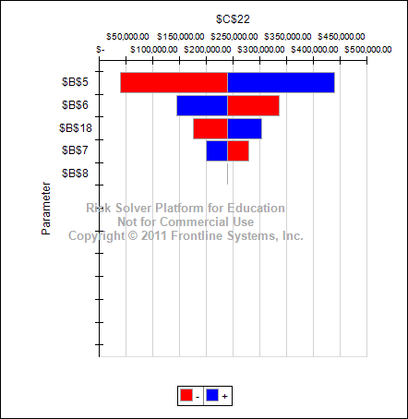
Data

Unit Price | $40.00
Unit Cost | $24.00
Fixed Cost | $400,000.00
Demand | 50000

Model

Unit Price | $40.00
Quantity Sold | 40000
Revenue |  | $1,600,000.00

Unit Cost | $24.00
Quantity Produced | 40000
Varaiable Cost |  | $960,000.00
Fixed Cost |  | $400,000.00

Profit |  | $240,000.00

 |  |  | 0

