Profit Model
Profit Model
Cost = fixed cost + variable cost
C = F + cQ
Revenue = price times quantity sold
R = pS
Quantity sold = Minimum{demand, quantity sold}
S = min{D, Q}
Profit = Revenue − Cost
P = p*min{D, Q} − (F + cQ)
Data

Unit Price | $40.00
Unit Cost | $24.00
Fixed Cost | $400,000.00
Demand | 50000

Model

Unit Price | $40.00
Quantity Sold | 40000
Revenue |  | $1,600,000.00

Unit Cost | $24.00
Quantity Produced | 40000
Varaiable Cost |  | $960,000.00
Fixed Cost |  | $400,000.00

Profit |  | $240,000.00

 |  |  | 0

Moore Pharmaceuticals
Moore Pharmaceuticals

Moore Pharmaceuticals needs to decide whether to conduct clinical trials and seek FDA approval for a newly developed drug.
Estimated figures:
R&D cost = $700 million
Clinical trials cost = $150 million
Market size = 2 million people
Market size growth = 3% per year
Market share = 8%
Market share growth = 20% per year (for 4 years)
Revenue from a monthly prescription = $130
Variable cost for a monthly prescription = $40
Discount rate for net present value = 9%
Moore Pharmaceuticals wants to determine net present value for the next 5 years and to determine how long it will take to recover fixed costs.
Data

Market size | 2,000,000
Unit (monthly Rx) revenue | $130
Unit (monthly Rx) cost | $40
Discount rate | 9%

Project Costs
R&D | $700,000,000
Clinical Trials | $150,000,000
Total Project Costs | $850,000,000

Model

Year | 1 | 2 | 3 | 4 | 5
Market Growth factor |  | 3.00% | 3.00% | 3.00% | 3.00%
Market size | 2,000,000 | 2,060,000 | 2,121,800 | 2,185,454 | 2,251,018
Market Growth rate |  | 20% | 20% | 20% | 20%
Market share | 8% | 9.60% | 11.52% | 13.82% | 16.59%
Sales | $160,000 | $197,760 | $244,431 | $302,117 | $373,417

Profitable in 4th year
Annual Revenue | $249,600,000 | $308,505,600 | $381,312,922 | $471,302,771 | $582,530,225
Annual Costs | $76,800,000 | $94,924,800 | $117,327,053 | $145,016,237 | $179,240,069
Profit | $172,800,000 | $213,580,800 | $263,985,869 | $326,286,534 | $403,290,156

Cumulative Net Profit | $(677,200,000) | $(463,619,200) | $(199,633,331) | $126,653,203 | $529,943,358

Net Present Value | $185,404,859.91

Retirement
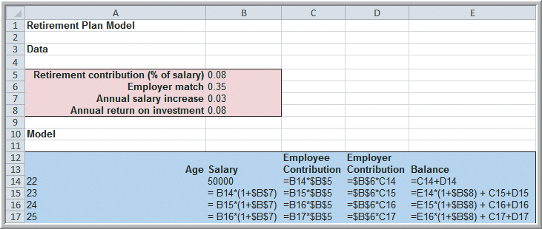
Retirement Plan

Date

Retirement Contirbutions (% of salary) | 0.08
Employer match | 0.35
Annual salry increase | 0.03
Annual return on Investment | 0.08

A Retirement-Planning Model
Start work at age 22, earning $50,000 per year.
Expect a salary increase of 3% per year.
Required to contribute 8% to retirement.
Employer contributes 35% of that amount.
Expect an annual return of 8% on the portfolio.
Salary = 1.03(previous year’s salary)
Employee contribution = 0.08(salary)
Employer contribution = 0.35(employee contrib.)
Value of account = 1.08(previous value) + employee contribution + employer contribution
Determine the value of the retirement account when the employee is 50 years old.
 |  | Employee | Employer
Age | Salary | Contribution | Contribution | Balance
22 | 50000 | 4000 | 1400 | 5400
23 | $51,500 | $4,120 | $1,442 | $11,394
24 | $53,045 | $4,244 | $1,485 | $18,034
25 | $54,636 | $4,371 | $1,530 | $25,378
26 | $56,275 | $4,502 | $1,576 | $33,486
27 | $57,964 | $4,637 | $1,623 | $42,425
28 | $59,703 | $4,776 | $1,672 | $52,267
29 | $61,494 | $4,919 | $1,722 | $63,089
30 | $63,339 | $5,067 | $1,773 | $74,977
31 | $65,239 | $5,219 | $1,827 | $88,021
32 | $67,196 | $5,376 | $1,881 | $102,320
33 | $69,212 | $5,537 | $1,938 | $117,980
34 | $71,288 | $5,703 | $1,996 | $135,118
35 | $73,427 | $5,874 | $2,056 | $153,857
36 | $75,629 | $6,050 | $2,118 | $174,334
37 | $77,898 | $6,232 | $2,181 | $196,694
38 | $80,235 | $6,419 | $2,247 | $221,094
39 | $82,642 | $6,611 | $2,314 | $247,707
40 | $85,122 | $6,810 | $2,383 | $276,717
41 | $87,675 | $7,014 | $2,455 | $308,323
42 | $90,306 | $7,224 | $2,529 | $342,742
43 | $93,015 | $7,441 | $2,604 | $380,207
44 | $95,805 | $7,664 | $2,683 | $420,971
45 | $98,679 | $7,894 | $2,763 | $465,306
46 | $101,640 | $8,131 | $2,846 | $513,507
47 | $104,689 | $8,375 | $2,931 | $565,894
48 | $107,830 | $8,626 | $3,019 | $622,811
49 | $111,064 | $8,885 | $3,110 | $684,631
50 | $114,396 | $9,152 | $3,203 | $751,757

One Way Data Table
Profit Model

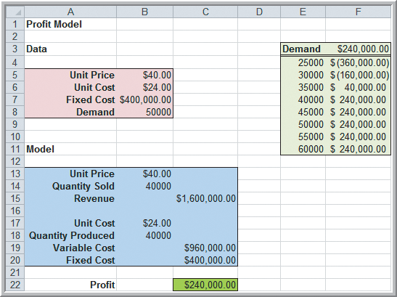
Data
 |  |  |  |  | $240,000.00
Unit Price | $40.00 |  | Demand | 25000 | $(360,000.00)
Unit Cost | $24.00 |  |  | 30000 | $(160,000.00)
Fixed Cost | $400,000.00 |  |  | 35000 | $40,000.00
Demand | 50000 |  |  | 40000 | $240,000.00
 |  |  |  | 45000 | $240,000.00
 |  |  |  | 50000 | $240,000.00
Model |  |  |  | 55000 | $240,000.00
 |  |  |  | 60000 | $240,000.00
Unit Price | $40.00
Quantity Sold | 40000
Revenue |  | $1,600,000.00

Unit Cost | $24.00
Quantity Produced | 40000
Varaiable Cost |  | $960,000.00
Fixed Cost |  | $400,000.00

Profit |  | $240,000.00

 |  |  |  |  |  | 0

One Way Data T able (2)
Profit Model

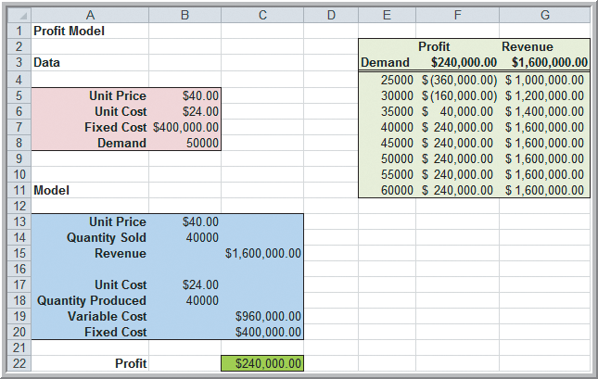
Data |  |  |  |  | Profit | Revenue
 |  |  |  |  | $240,000.00 | $1,600,000.00
Unit Price | $40.00 |  | Demand | 25000 | $(360,000.00) | $1,000,000.00
Unit Cost | $24.00 |  |  | 30000 | $(160,000.00) | $1,200,000.00
Fixed Cost | $400,000.00 |  |  | 35000 | $40,000.00 | $1,400,000.00
Demand | 50000 |  |  | 40000 | $240,000.00 | $1,600,000.00
 |  |  |  | 45000 | $240,000.00 | $1,600,000.00
 |  |  |  | 50000 | $240,000.00 | $1,600,000.00
Model |  |  |  | 55000 | $240,000.00 | $1,600,000.00
 |  |  |  | 60000 | $240,000.00 | $1,600,000.00
Unit Price | $40.00
Quantity Sold | 40000
Revenue |  | $1,600,000.00

Unit Cost | $24.00
Quantity Produced | 40000
Varaiable Cost |  | $960,000.00
Fixed Cost |  | $400,000.00

Profit |  | $240,000.00

 |  |  |  |  |  |  | 0

Two Way Data Table (2)
Profit Model

Data |  |  |  | Unit Cost
 |  |  | Unit Price | $240,000.00 | $22.00 | $23.00 | $24.00 | $25.00
Unit Price | $40.00 |  |  | $35.00 | $120,000.00 | $80,000.00 | $40,000.00 | $-
Unit Cost | $24.00 |  |  | $36.00 | $160,000.00 | $120,000.00 | $80,000.00 | $40,000.00
Fixed Cost | $400,000.00 |  |  | $37.00 | $200,000.00 | $160,000.00 | $120,000.00 | $80,000.00
Demand | 50000 |  |  | $38.00 | $240,000.00 | $200,000.00 | $160,000.00 | $120,000.00
 |  |  |  | $39.00 | $280,000.00 | $240,000.00 | $200,000.00 | $160,000.00
 |  |  |  | $40.00 | $320,000.00 | $280,000.00 | $240,000.00 | $200,000.00
Model |  |  |  | $41.00 | $360,000.00 | $320,000.00 | $280,000.00 | $240,000.00
 |  |  |  | $42.00 | $400,000.00 | $360,000.00 | $320,000.00 | $280,000.00
Unit Price | $40.00 |  |  | $43.00 | $440,000.00 | $400,000.00 | $360,000.00 | $320,000.00
Quantity Sold | 40000 |  |  | $44.00 | $480,000.00 | $440,000.00 | $400,000.00 | $360,000.00
Revenue |  | $1,600,000.00 |  | $45.00 | $520,000.00 | $480,000.00 | $440,000.00 | $400,000.00
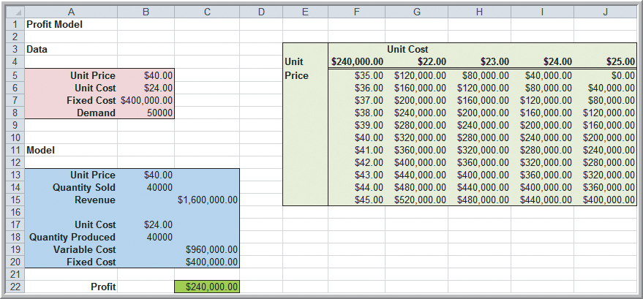
Unit Cost | $24.00
Quantity Produced | 40000
Varaiable Cost |  | $960,000.00
Fixed Cost |  | $400,000.00

Profit |  | $240,000.00

 |  |  |  |  |  |  |  |  | 0

Goal Seek Outsourcing
Outsourcing Decision Model

Data
Finding the Breakeven Point in the Outsourcing Model (using Goal Seek)
Find the value of demand at which manufacturing cost equals purchased cost
Set cell: B19
To value: 0
By changing
cell: B12.
Manufactured in-house
Fixed cost | $50,000
Unit variable cost | $125

Purchased from supplier
Unit cost | $175

Production volume | 1500

Model

Total manufacturing cost | $237,500
Total purchased cost | $262,500

Cost difference | -$25,000
Decision | Manufacture
Set cell: B19
To value: 0
By changing
cell: B12.

